Mean Calculations
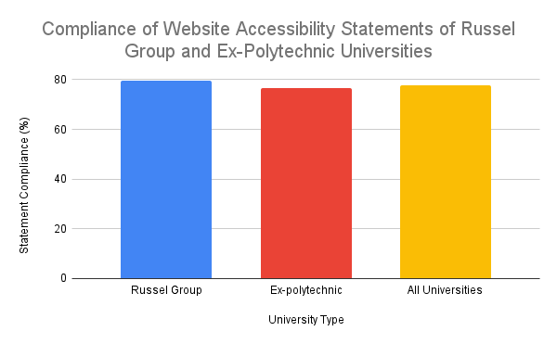
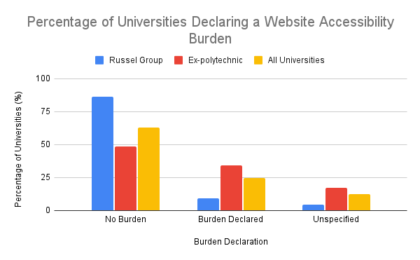
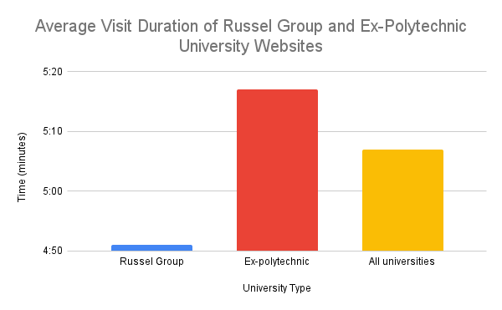
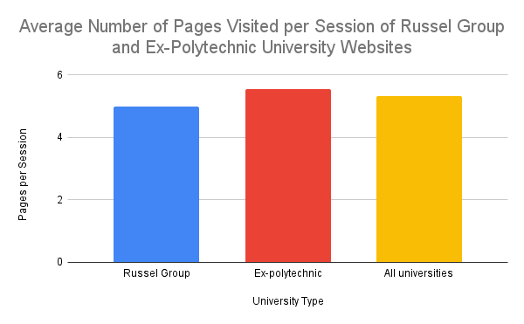
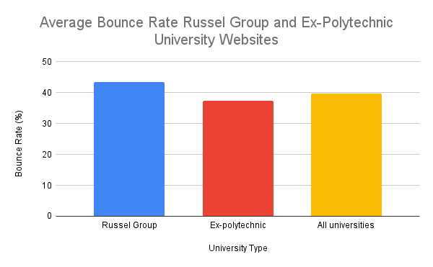
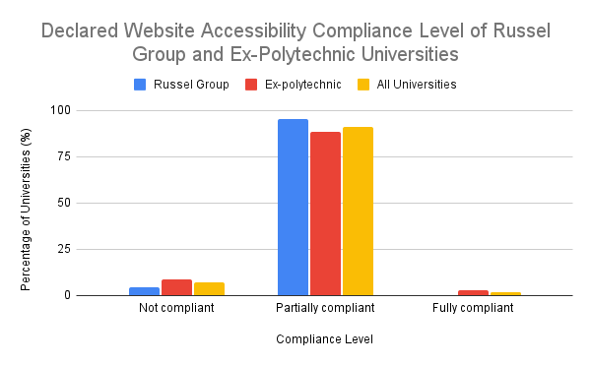
 | visit duration | pages per session | bounce rate (%) | empty heading | broken skip link | Page refreshes or redirects | empty form label | spacer image missing alt text | Linked image missing alternative text | missing form label | Missing first level heading | multiple form labels | broken ARIA reference | broken ARIA menu | empty button | missing alt text | empty link | total errors | Very low contrast | possible heading | no heading structure | A nearby image has the same alternative text | Image with title | Device dependent event handler | Unlabeled form control with title | broken same-page link | select missing label | redundant alt text | suspicious alt text | suspicious link text | orphaned form label | long alt text | fieldset missing legend | skipped heading level | link to pdf document | accesskey | redundant title text | missing fieldset | redundant link | plugin | noscript element | very small text | underlined text | Tabindex | html5 video/audio | youtube video | JavaScript jump menu | total alerts | alternative text | null or empty alternative text | null or empty alt text on spacer | linked image with alternative text | image button with alt text | figure | form label | fieldset | skip link | skip link target | language | total features | H1 | H2 | H3 | H4 | H5 | H6 | Ordered list | Unordered list | definition/description list | Inline frame | Header | navigation | search | main content | Footer | aside | generic region | total structural elements | ARIA | ARIA label | ARIA description | ARIA tabindex | ARIA alert or live region | ARIA menu | ARIA button | ARIA hidden | ARIA expanded | ARIA popup | total ARIA | Known problems | Likely problems | Potential problems | Total problems | Present (%) | Not compliant | Partially compliant | Fully compliant | Does it list where it is not compliant? | where users can seek alternative accessible format | how to get in touch to report accessibility issues | no burden | Burden reported | Burden unspecified | Statement compliance | Website last tested | Last recorded test | Accessibility statement last reviewed | 1st most common testing tool | Most common testing frequency
Russel group | 0:04:51 | 4.9795454545 | 43.392727273 | 0.18181818182 | 0.047619047619 | 0 | 0.36363636364 | 0.54545454545 | 0 | 867.58078191 | 0.13636363636 | 0.72727272727 | 0.5 | 0.22727272727 | 0.27272727273 | 0.045454545455 | 0.045454545455 | 3.2727272727 | 3.3181818182 | 0.86363636364 | 0 | 0 | 0 | 0 | 0.090909090909 | 0.045454545455 | 0.045454545455 | 4.2727272727 | 0.54545454545 | 0.63636363636 | 0.22727272727 | 0.72727272727 | 0.31818181818 | 0.63636363636 | 0.22727272727 | 0.27272727273 | 6.8636363636 | 0.27272727273 | 3.2727272727 | 0.045454545455 | 5.7727272727 | 0.72727272727 | 1.0476190476 | 0.18181818182 | 0.090909090909 | 0.31818181818 | 0.045454545455 | 27.5 | 7.3636363636 | 6.0454545455 | 0.18181818182 | 6.1363636364 | 0.13636363636 | 5.0909090909 | 5.4090909091 | 0.31818181818 | 1.3636363636 | 1.2272727273 | 1.8636363636 | 35.136363636 | 1.9545454545 | 12.954545455 | 14.318181818 | 3.8181818182 | 0.90909090909 | 0.18181818182 | 0.045454545455 | 29.136363636 | 1.0909090909 | 1.6818181818 | 1 | 3.5454545455 | 0.45454545455 | 0.5 | 1 | 0.31818181818 | 0.77272727273 | 73.681818182 | 41.681818182 | 31.590909091 | 0.36363636364 | 6.6363636364 | 1.3181818182 | 1.0454545455 | 2.0454545455 | 16.909090909 | 6.7142857143 | 2.2857142857 | 110.18181818 | 17.5 | 0.40909090909 | 417.36363636 | 435.27272727 | 100 | 4.5454545455 | 95.454545455 | 0 | 100 | 86.363636364 | 100 | 86.363636364 | 9.0909090909 | 4.5454545455 | 79.545454545 | 810383 | 4 | 990296 | 13 | 7
Ex-poly | 0:05:17 | 5.5634285714 | 37.481142857 | 0.028571428571 | 0.028571428571 | 0.028571428571 | 0.085714285714 | 0.94285714286 | 0.28571428571 | 0.23529411765 | 0.066666666667 | 0 | 0.11428571429 | 0.14285714286 | 0.28571428571 | 0.2 | 0.88571428571 | 3.3142857143 | 3.1142857143 | 2.1142857143 | 0.028571428571 | 0.17142857143 | 0.11428571429 | 0.2 | 0.14285714286 | 0.37142857143 | 0 | 2.7428571429 | 1.5142857143 | 0.51428571429 | 0.17142857143 | 1.3714285714 | 0.028571428571 | 0.37142857143 | 0.25714285714 | 0.57142857143 | 16.657142857 | 0.028571428571 | 6.4571428571 | 0 | 2.4 | 1.2571428571 | 0.17142857143 | 0.4 | 0.11428571429 | 0.057142857143 | 0.028571428571 | 38.257142857 | 10.085714286 | 4.5714285714 | 0.17142857143 | 11.028571429 | 0.028571428571 | 1.5428571429 | 4.2285714286 | 0.28571428571 | 1.0571428571 | 1.0571428571 | 1.2285714286 | 35.285714286 | 1.2571428571 | 14.485714286 | 16.085714286 | 2.8857142857 | 0.2 | 0.20689655172 | 0.97142857143 | 26.971428571 | 0.45714285714 | 1.9714285714 | 0.91428571429 | 3.0571428571 | 0.37142857143 | 0.85714285714 | 0.97142857143 | 0.25714285714 | 0.77142857143 | 72.657142857 | 49.571428571 | 28.371428571 | 0.65714285714 | 35.228571429 | 2.5428571429 | 2.4571428571 | 0.85714285714 | 26.314285714 | 7.9714285714 | 7.0294117647 | 160.8 | 10.742857143 | 0.65714285714 | 367.91428571 | 379.31428571 | 97.142857143 | 8.5714285714 | 88.571428571 | 2.8571428571 | 97.142857143 | 91.428571429 | 97.142857143 | 48.571428571 | 34.285714286 | 17.142857143 | 76.666666667 | 1214140 | 6 | 1487821 | 10 | 7
All universities | 0:05:07 | 5.3380701754 | 39.762807018 | 0.087719298246 | 0.035714285714 | 0.017543859649 | 0.19298245614 | 0.78947368421 | 0.17543859649 | 0.21428571429 | 0.096153846154 | 0.28070175439 | 0.26315789474 | 0.17543859649 | 0.28070175439 | 0.14035087719 | 0.56140350877 | 3.298245614 | 3.1929824561 | 1.6315789474 | 0.017543859649 | 0.10526315789 | 0.070175438596 | 0.12280701754 | 0.12280701754 | 0.24561403509 | 0.017543859649 | 3.3333333333 | 1.1403508772 | 0.56140350877 | 0.19298245614 | 1.1228070175 | 0.14035087719 | 0.47368421053 | 0.24561403509 | 0.45614035088 | 12.877192982 | 0.12280701754 | 5.2280701754 | 0.017543859649 | 3.701754386 | 1.0526315789 | 0.5 | 0.31578947368 | 0.10526315789 | 0.15789473684 | 0.035087719298 | 34.105263158 | 9.0350877193 | 5.1403508772 | 0.17543859649 | 9.1403508772 | 0.070175438596 | 2.9122807018 | 4.6842105263 | 0.29824561404 | 1.1754385965 | 1.1228070175 | 1.4736842105 | 35.228070175 | 1.5263157895 | 13.894736842 | 15.403508772 | 3.2456140351 | 0.47368421053 | 0.19607843137 | 0.61403508772 | 27.807017544 | 0.70175438596 | 1.8596491228 | 0.94736842105 | 3.2456140351 | 0.40350877193 | 0.71929824561 | 0.98245614035 | 0.28070175439 | 0.77192982456 | 73.052631579 | 46.526315789 | 29.614035088 | 0.54385964912 | 24.192982456 | 2.0701754386 | 1.9122807018 | 1.3157894737 | 22.684210526 | 7.5 | 5.2181818182 | 141.26315789 | 13.350877193 | 0.56140350877 | 387 | 400.9122807 | 98.245614035 | 7.0175438596 | 91.228070175 | 1.7543859649 | 98.245614035 | 89.473684211 | 98.245614035 | 63.157894737 | 24.561403509 | 12.280701754 | 77.777777778 | 2024523 | 6 | 2478117 | 10 | 7

Average Number of WAVE Accessibility Issues in Russel Group and Ex-Polytechnic Universities
Average Number of WAVE Accessibility Features in Russel Group and Ex-Polytechnic Universities
Average Number of AChecker Accessibility Issues in Russel Group versus Ex-Polytechnic Universities

Accessibility Statement
Website Testing Frequency of Russel Group and Ex-Polytechnic Universities
Tally - website testing frequency
Testing frequency | Russel Group | Polly
Daily | 0 | 1
Every 5 days | 0 | 2
weekly | 5 | 5
fortnightly | 0 | 1
monthly | 0 | 2
annual | 1 | 1
NA | 16 | 23
 | 22 | 35
Percentage Split - website testing frequency
Testing frequency | Russel Group | Ex-polytechnic
Daily | 0 | 2.8571428571
Every 5 days | 0 | 5.7142857143
weekly | 22.727272727 | 14.285714286
fortnightly | 0 | 2.8571428571
monthly | 0 | 5.7142857143
annual | 4.5454545455 | 2.8571428571
Timeline of Last Accessibility Tests at Russell Group and Ex-Polytechnic Universities
Unspecified | 72.727272727 | 65.714285714

Percentage Split - last accessibility test timeline
statement last reviewd | Russel Group | Ex-Polytechnic | All Universities
< 1 month | 13.636363636 | 14.285714286 | 14.035087719
1 - 6 months | 13.636363636 | 5.7142857143 | 8.7719298246
6 - 12 months | 13.636363636 | 11.428571429 | 12.280701754
1 - 2 years | 13.636363636 | 20 | 17.543859649
2 - 3 years | 18.181818182 | 14.285714286 | 15.789473684
3 years + | 9.0909090909 | 11.428571429 | 10.526315789
Unspecified | 18.181818182 | 22.857142857 | 21.052631579
 | 22 | 35 | 57

Percentage Split - automated testing tools
Automated Tool | Russel Group | Ex-Polytechnic | All Universities
Ability Net | 9.0909090909 | 5.7142857143 | 7.0175438596
aXe Developer Tools | 0 | 5.7142857143 | 5.7142857143
Cabinet Office | 4.5454545455 | 0 | 2.8571428571
Digital Accessibility Centre | 0 | 2.8571428571 | 2.8571428571
Funnelback | 0 | 2.8571428571 | 2.8571428571
HeX Productions | 9.0909090909 | 0 | 5.7142857143
Automated Accessibility Testing Tools Used by Russell Group and Ex-Polytechnic Universities
Shaw Trust | 0 | 2.8571428571 | 2.8571428571
Silktide | 13.636363636 | 14.285714286 | 22.857142857
SiteBulb | 4.5454545455 | 0 | 2.8571428571
SiteImprove | 27.272727273 | 37.142857143 | 54.285714286
Squiz.net | 0 | 2.8571428571 | 2.8571428571
Test Partners Ltd | 0 | 2.8571428571 | 2.8571428571
Unspecified | 31.818181818 | 17.142857143 | 37.142857143
UserVision | 0 | 2.8571428571 | 2.8571428571
Zoonou | 0 | 2.8571428571 | 2.8571428571

Frequency of WAVE issues
 | empty heading | broken skip link | Page refreshes or redirects | empty form label | spacer image missing alt text | Linked image missing alternative text | missing form label | Missing first level heading | multiple form labels | broken ARIA reference | broken ARIA menu | empty button | missing alt text | empty link | Very low contrast | total errors |  | possible heading | no heading structure | A nearby image has the same alternative text | Image with title | Device dependent event handler | Unlabeled form control with title | broken same-page link | select missing label | redundant alt text | suspicious alt text | suspicious link text | orphaned form label | long alt text | fieldset missing legend | skipped heading level | link to pdf document | accesskey | redundant title text | missing fieldset | redundant link | plugin | noscript element | very small text | underlined text | Tabindex | html5 video/audio | youtube video | JavaScript jump menu | total alerts | alternative text | null or empty alternative text | null or empty alt text on spacer | linked image with alternative text | image button with alt text | figure | form label | fieldset | skip link | skip link target | language | total features | H1 | H2 | H3 | H4 | H5 | H6 | Ordered list | Unordered list | definition/description list | Inline frame | Header | navigation | search | main content | Footer | aside | generic region | total structural elements | ARIA | ARIA label | ARIA description | ARIA tabindex | ARIA alert or live region | ARIA menu | ARIA button | ARIA hidden | ARIA expanded | ARIA popup | total ARIA
Russel Group | 0.18181818182 | 0.045454545455 | 0 | 0.36363636364 | 0.54545454545 | 0 | 0.18181818182 | 0.13636363636 | 0.72727272727 | 0.5 | 0.22727272727 | 0.27272727273 | 0.045454545455 | 0.045454545455 | 3.3181818182 | 3.2727272727 | Russel Group | 0.86363636364 | 0 | 0 | 0 | 0 | 0.090909090909 | 0.045454545455 | 0.045454545455 | 4.2727272727 | 0.54545454545 | 0.63636363636 | 0.22727272727 | 0.72727272727 | 0.31818181818 | 0.63636363636 | 0.22727272727 | 0.27272727273 | 6.8636363636 | 0.27272727273 | 3.2727272727 | 0.045454545455 | 5.7727272727 | 0.72727272727 | 1 | 0.18181818182 | 0.090909090909 | 0.31818181818 | 0.045454545455 | 27.5 | 7.3636363636 | 6.0454545455 | 0.18181818182 | 6.1363636364 | 0.13636363636 | 5.0909090909 | 5.4090909091 | 0.31818181818 | 1.3636363636 | 1.2272727273 | 1.8636363636 | 35.136363636 | 1.9545454545 | 12.954545455 | 14.318181818 | 3.8181818182 | 0.90909090909 | 0.18181818182 | 0.045454545455 | 29.136363636 | 1.0909090909 | 1.6818181818 | 1 | 3.5454545455 | 0.45454545455 | 0.5 | 1 | 0.31818181818 | 0.77272727273 | 73.681818182 | 41.681818182 | 31.590909091 | 0.36363636364 | 6.6363636364 | 1.3181818182 | 1.0454545455 | 2.0454545455 | 16.909090909 | 6.4090909091 | 2.1818181818 | 110.18181818
Ex-polytechnic | 0.028571428571 | 0.028571428571 | 0.028571428571 | 0.085714285714 | 0.94285714286 | 0.28571428571 | 0.22857142857 | 0.057142857143 | 0 | 0.11428571429 | 0.14285714286 | 0.28571428571 | 0.2 | 0.88571428571 | 3.1142857143 | 3.3142857143 | Ex-polytechnic | 2.1142857143 | 0.028571428571 | 0.17142857143 | 0.11428571429 | 0.2 | 0.14285714286 | 0.37142857143 | 0 | 2.7428571429 | 1.5142857143 | 0.51428571429 | 0.17142857143 | 1.3714285714 | 0.028571428571 | 0.37142857143 | 0.25714285714 | 0.57142857143 | 16.657142857 | 0.028571428571 | 6.4571428571 | 0 | 2.4 | 1.2571428571 | 0.17142857143 | 0.4 | 0.11428571429 | 0.057142857143 | 0.028571428571 | 38.257142857 | 10.085714286 | 4.5714285714 | 0.17142857143 | 11.028571429 | 0.028571428571 | 1.5428571429 | 4.2285714286 | 0.28571428571 | 1.0571428571 | 1.0571428571 | 1.2285714286 | 35.285714286 | 1.2571428571 | 14.485714286 | 16.085714286 | 2.8857142857 | 0.2 | 0.17142857143 | 0.97142857143 | 26.971428571 | 0.45714285714 | 1.9714285714 | 0.91428571429 | 3.0571428571 | 0.37142857143 | 0.85714285714 | 0.97142857143 | 0.25714285714 | 0.77142857143 | 72.657142857 | 49.571428571 | 28.371428571 | 0.65714285714 | 35.228571429 | 2.5428571429 | 2.4571428571 | 0.85714285714 | 26.314285714 | 7.9714285714 | 6.8285714286 | 160.8
All Universities | 0.087719298246 | 0.035087719298 | 0.017543859649 | 0.19298245614 | 0.78947368421 | 0.17543859649 | 0.21052631579 | 0.087719298246 | 0.28070175439 | 0.26315789474 | 0.17543859649 | 0.28070175439 | 0.14035087719 | 0.56140350877 | 3.1929824561 | 3.298245614 | All Universities | 1.6315789474 | 0.017543859649 | 0.10526315789 | 0.070175438596 | 0.12280701754 | 0.12280701754 | 0.24561403509 | 0.017543859649 | 3.3333333333 | 1.1403508772 | 0.56140350877 | 0.19298245614 | 1.1228070175 | 0.14035087719 | 0.47368421053 | 0.24561403509 | 0.45614035088 | 12.877192982 | 0.12280701754 | 5.2280701754 | 0.017543859649 | 3.701754386 | 1.0526315789 | 0.49122807018 | 0.31578947368 | 0.10526315789 | 0.15789473684 | 0.035087719298 | 34.105263158 | 9.0350877193 | 5.1403508772 | 0.17543859649 | 9.1403508772 | 0.070175438596 | 2.9122807018 | 4.6842105263 | 0.29824561404 | 1.1754385965 | 1.1228070175 | 1.4736842105 | 35.228070175 | 1.5263157895 | 13.894736842 | 15.403508772 | 3.2456140351 | 0.47368421053 | 0.17543859649 | 0.61403508772 | 27.807017544 | 0.70175438596 | 1.8596491228 | 0.94736842105 | 3.2456140351 | 0.40350877193 | 0.71929824561 | 0.98245614035 | 0.28070175439 | 0.77192982456 | 73.052631579 | 46.526315789 | 29.614035088 | 0.54385964912 | 24.192982456 | 2.0701754386 | 1.9122807018 | 1.3157894737 | 22.684210526 | 7.3684210526 | 5.0350877193 | 141.26315789

Frequency of WAVE Accessibility Errors in Russel Group and Ex-Polytechnic Universities
Frequency of WAVE Accessibility Alerts in Russel Group and Ex-Polytechnic Universities

